Bar charts
 | ARIMA | LSTM | 1DCNN | GRU W/O features | GRU
MAE (15 mins) |  | 0.1175 | 0.0964 | 0.0653 | 0.0561
MAE (60 mins) | 0.1217 | 0.0562 | 0.0984 | 0.0706 | 0.0605

Model | MAE (15 mins) | MAE (60 mins)
ARIMA |  | 0.1217
LSTM | 0.1175 | 0.0562
GRU | 0.0561 | 0.0605
1DCNN | 0.0964 | 0.0984
GRU W/O features | 0.0653 | 0.0706

 | GRU W/O features | 1DCNN | GRU | ARIMA | LSTM
MSE (15 mins) | 0.0072 | 0.0142 | 0.0056 |  | 0.0201
MSE (60 mins) | 0.0085 | 0.0142 | 0.0048 | 0.0202 | 0.0055

Model | MSE (15 mins) | MSE (60 mins)
ARIMA |  | 0.0202
LSTM | 0.0201 | 0.0055
GRU | 0.0056 | 0.0048
1DCNN | 0.0142 | 0.0142
GRU W/O features | 0.0072 | 0.0085

 | ARIMA | LSTM | 1DCNN | GRU W/O features | GRU
RMSE (15 mins) |  | 14.184 | 11.925 | 8.481 | 7.504
RMSE (60 mins) | 14.218 | 7.442 | 11.925 | 9.22 | 6.955
Model | RMSE (15 mins) | RMSE (60 mins)
ARIMA |  | 14.218
LSTM | 14.184 | 7.442
GRU | 7.504 | 6.955
1DCNN | 11.925 | 11.925
GRU W/O features | 8.481 | 9.22

ARIMA
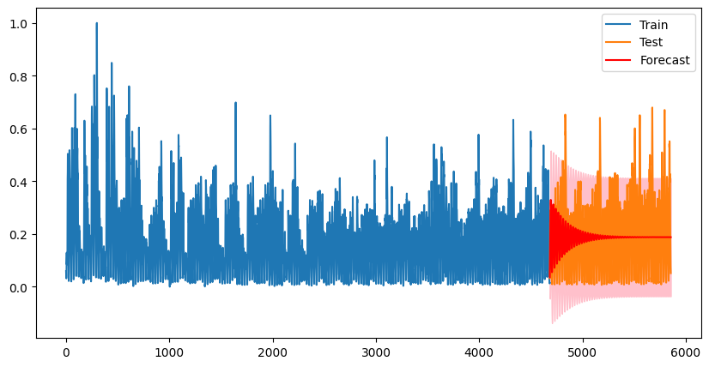
MSE: 0.019720307773327474 MAE: 0.11758237247218546

Confusion Matrix:
[[ 17 353 0]
[ 0 216 5]
[ 0 526 55]]
Classification Report:
precision recall f1-score support

0 1.00 0.05 0.09 370
1 0.20 0.98 0.33 221
2 0.92 0.09 0.17 581

accuracy 0.25 1172
macro avg 0.70 0.37 0.20 1172
weighted avg 0.81 0.25 0.17 1172

